Credit Rating
CYTK Implied Credit Rating · Moody's Pharmaceutical Scorecard
Source: Moody's Ratings 'Rating Methodology: Pharmaceuticals' (September 15, 2025) · Report No. 1439384
SCORECARD |  |  |  |  |  |  |  |  | Rating | Numeric Score
Factor | Wt | Moody's B | Moody's Caa | Moody's Ca | CYTK (TTM Mar 2026) | Score | Points | Source | Aaa | 1
Revenue ($B) | 25% | B: $1–$3B | Caa: $0.25–$1B | Ca: <$0.25B | 0.106 | Ca | 5 | TTM Financials | Aa | 3
Product & Therapeutic Diversity | 10% | B: Top 3 > 60% rev | Caa: Top 3 > 70% | Ca: Reliant on 1 product | Single product: MYQORZO (aficamten / HCM) | Ca | 2 |  | A | 6
Geographic Diversity | 10% | B: 75–90% one region | Caa: >90% (diverse payors) | Ca: >90% + limited payors | US only; >95% US rev; Diverse Payors | Caa | 1.8 | CYTK Q1 2026 8-K US = diverse payor market → Caa not Ca | Baa | 9
Patent Exposures | 10% | B: At risk >30% (3 yrs) | Caa: At risk >40% | Ca: At risk >50% | No ANDA challenges Aficamten IP past 2031 | Ba | 1.2 | CYTK 2025 10-K | Ba | 12
Pipeline Quality | 10% | B: Peak sales <10% of current revenue | Caa: Peak sales <5% | Ca: No late-stage pipeline | omecamtiv mecarbil (Phase 3, HF) | B | 1.5 | CYTK pipeline disclosures; Q1 2026 earnings call | B | 15
Debt / EBITDA | 10% | B: 4.5–6x | Caa: 6–9x | Ca: >9x | EBITDA $(634.6M) TTM Negative → not calculable | Ca | 2 |  | Caa | 18
RCF / Net Debt | 5% | B: 0–5% | Caa: <0% | Ca: <(5)% | (396.82)% | Ca | 1 |  | Ca | 20
EBIT / Interest Expense | 5% | B: 1–2.25x | Caa: 0.5–1x | Ca: <0.5x | (9.42) | Ca | 1 | EBIT $(645,845)K TTM Interest exp $68.56M
Financial Policy | 15% | B: Favors shareholders; high financial risk | Caa: Elevated restructuring risk | Ca: Very elevated risk | No dividend; no buybacks Conservative management | Ba | 1.8
Aggregate Numeric Score = 17.30 |  |  |  |  |  |  | 17.3 | Per Exhibit 5 (Rating methodology): 16.5 < x ≤ 17.5 → Caa1

LIQUIDITY OVERRIDE · Excess Cash Balances (p.13)
Cash ($M) | 755.9 |  |  |  |  |  | Q1 2026 8-K · Moody's Sep 2025, p.13: 'Large cash holdings provide buffers against credit deterioration'
Financial Debt Face Value($M) | 888 |  |  |  |  |  | 2031 notes $750M + residual 2027 notes ~$138M
Net Debt ($M) | 132.1
Cash Burn (TTM) | $(523.8M) |  |  |  |  |  | ~17-month runway at current rate. Forward burn decreases as aficamten scales.
Scorecard-Indicated | Caa1 (score 17.30)
IMPLIED RATING | B3 / B2 |  |  |  |  |  | 1–2 notch uplift for exceptional liquidity ($755.9M cash vs $132M net debt)

Note :
CYTK's scorecard metrics are poor because aficamten launched in January 2026 and the company is in its first year of commercialisation. The Caa1 raw score reflects that but not imminent default risk. With $755.9M cash and $132M net debt, CYTK can sustain current burn for over a year while aficamten scales. Moody's September 2025 methodology (p.13) explicitly recognises excess cash as a ratings consideration outside the scorecard. One to two notch uplift to B3/B2 reflects the time the balance sheet buys, not an endorsement of the current financials.

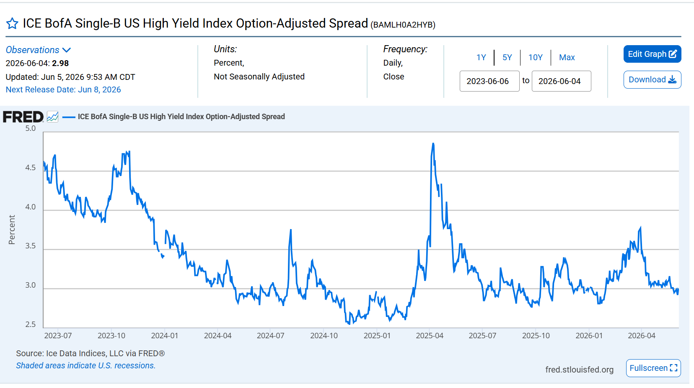

https://fred.stlouisfed.org/series/BAMLH0A2HYB

